Funnel Overview
 |  |  |  |  |  |  |  |  |  | US
Funnel analysis by countries |  |  |  |  |  |  |  |  |  | first visit | 0 | 100.00%
 |  |  |  |  |  |  |  |  |  | view item | 0.3806 | 23.88%
 |  |  |  |  |  |  |  |  |  | add to cart | 0.4752 | 4.96%
event_order | event_name | United States events | India events | Canada events | Full percentage | United States percentage drop | India percentage drop | Canada percentage drop | average | add payment info | 0.48885 | 2.23%
1 | first visit | 112863 | 24,117 | 19296 | 100.00% | 100.00% | 100.00% | 100.00% | 100.00% | purchase | 0.4914 | 1.72%
2 | view item | 26953 | 5,795 | 4653 | 23.93% | 23.88% | 24.03% | 24.11% | 24.01%
3 | add to cart | 5603 | 1162 | 993 | 4.96% | 4.96% | 4.82% | 5.15% | 4.98% | IN
4 | add payment info | 2516 | 524 | 465 | 2.24% | 2.23% | 2.17% | 2.41% | 2.27% | first visit | 0 | 100.00%
5 | purchase | 1942 | 406 | 355 | 1.73% | 1.72% | 1.68% | 1.84% | 1.75% | view item | 0.37985 | 24.03%
 |  |  |  |  |  |  |  |  |  | add to cart | 0.4759 | 4.82%
United States funnel chart by events
India funnel chart by events
Canada funnel chart by events
 |  |  |  |  |  |  |  |  |  | add payment info | 0.48915 | 2.17%
 |  |  |  |  |  |  |  |  |  | purchase | 0.4916 | 1.68%

 |  |  |  |  |  |  |  |  |  | CA
 |  |  |  |  |  |  |  |  |  | first visit | 0 | 100.00%
 |  |  |  |  |  |  |  |  |  | view item | 0.37945 | 24.11%
 |  |  |  |  |  |  |  |  |  | add to cart | 0.47425 | 5.15%
 |  |  |  |  |  |  |  |  |  | add payment info | 0.48795 | 2.41%
 |  |  |  |  |  |  |  |  |  | purchase | 0.4908 | 1.84%

 |  |  |  |  |  |  |  |  |  | Mobile
 |  |  |  |  |  |  |  |  |  | first visit | 0 | 100.00%
 |  |  |  |  |  |  |  |  |  | view item | 0.37845980503 | 24.31%
 |  |  |  |  |  |  |  |  |  | add to cart | 0.47481016999 | 5.04%
 |  |  |  |  |  |  |  |  |  | add payment info | 0.48830647137 | 2.34%
 |  |  |  |  |  |  |  |  |  | purchase | 0.49093224906 | 1.81%

 |  |  |  |  |  |  |  |  |  | Tablet
 |  |  |  |  |  |  |  |  |  | first visit | 0 | 100.00%
1. Canada has the best funnel performance from the top 3 countries |  |  |  |  |  |  |  |  |  | view item | 0.3753024542 | 24.94%
 |  |  |  |  |  |  |  |  |  | add to cart | 0.47614932596 | 4.77%
2. The findings can be influenced by the smaller overall number of activity in Canada |  |  |  |  |  |  |  |  |  | add payment info | 0.48842032492 | 2.32%
 |  |  |  |  |  |  |  |  |  | purchase | 0.49161769789 | 1.68%

 |  |  |  |  |  |  |  |  |  | Desktop
 |  |  |  |  |  |  |  |  |  | first visit | 0 | 100.00%
 |  |  |  |  |  |  |  |  |  | view item | 0.37849563798 | 24.30%
 |  |  |  |  |  |  |  |  |  | add to cart | 0.47529972169 | 4.94%
 |  |  |  |  |  |  |  |  |  | add payment info | 0.4887871976 | 2.24%
 |  |  |  |  |  |  |  |  |  | purchase | 0.49150008028 | 1.70%

Funnel analysis by devices

event_order | event_name | Mobile events | Tablet events | Desktop events | Full percentage | Mobile percentage drop | Tablet percentage drop | Desktop percentage drop | average
1 | first visit | 102065 | 5,786 | 149472 | 100.00% | 100.00% | 100.00% | 100.00% | 100.00%
2 | view item | 24810 | 1,443 | 36323 | 24.32% | 24.31% | 24.94% | 24.30% | 24.52%
3 | add to cart | 5142 | 276 | 7384 | 4.98% | 5.04% | 4.77% | 4.94% | 4.92%
4 | add payment info | 2387 | 134 | 3352 | 2.28% | 2.34% | 2.32% | 2.24% | 2.30%
5 | purchase | 1851 | 97 | 2541 | 1.74% | 1.81% | 1.68% | 1.70% | 1.73%

Mobile user funnel chart by events
Tablet user funnel chart by events
Desktop user funnel chart by events

1. Smallest portion of customers overall are tablet users

2. Smaller screens do not seem to be a problem, judging by the percentage drop of mobile users

3. There could be interface problems when entering payment data for desktop users

AB
A/B testing

Assumption: | I assume that V2 versions of campaigns are the treated groups
 | Relevent statistical significance intervals: 1%, 5%, 10%

Test 1.1: Does the NewYear_V2 campaign have a higher click-through rate than the NewYear_V1: |  |  | Test 1.2: Does the NewYear_V2 campaign have a significantly different click-through rate than the NewYear_V1:
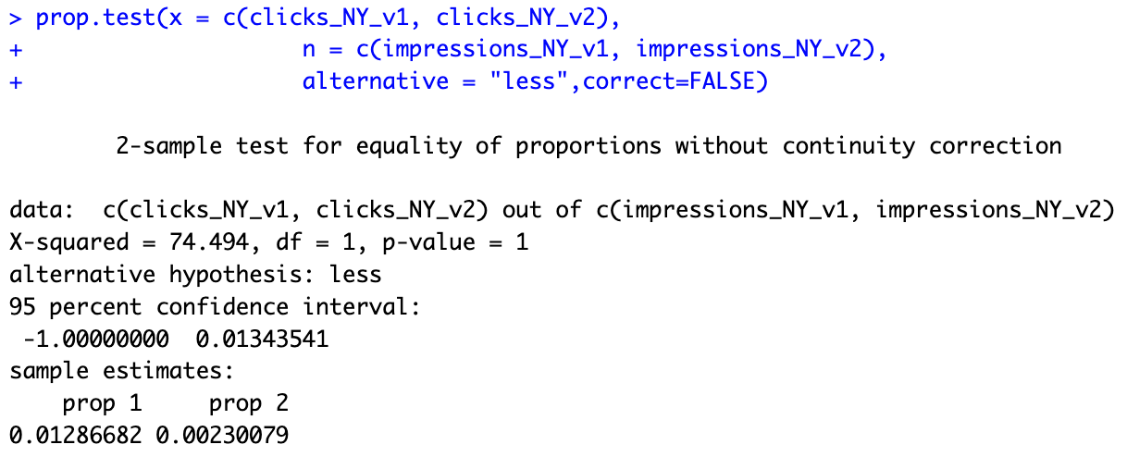
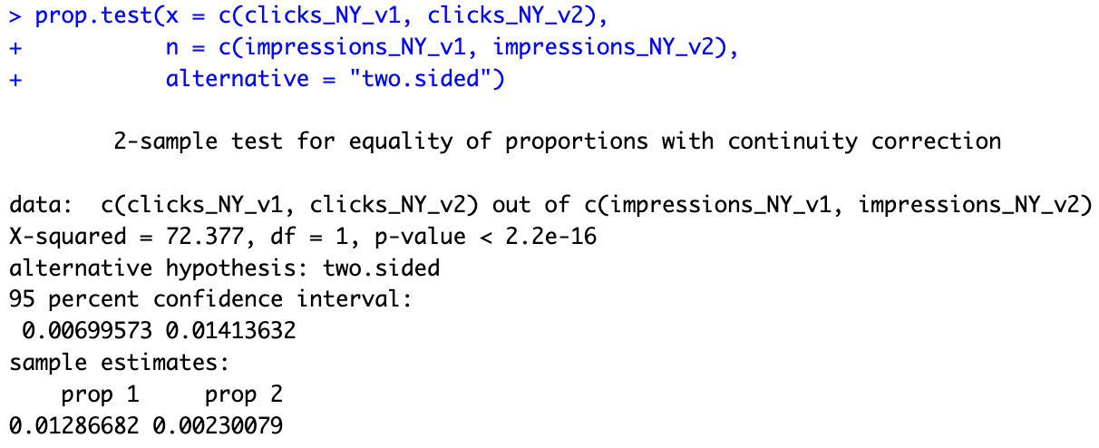

 |  | <= H0: V2 click-through not greater than V1 |  | <= H0: V1 and V2 click-through rates are the same
 |  | <= HA: V2 click-through greater than V1 |  | <= HA: V1 and V2 click-through rates are differenr

 |  | <= p-value of 1 does not support the alternative hypothesis, |  | <= p-value of 2.2^-16 shows that we can be
 |  | the null hypothesis cannot be rejected at any relevant statistical |  | certain that the alternative hypothesis can
 |  | significance threshold |  | be accepted at all significance levels

Conclusion: we can be certain that the V2 version of the NewYear campaign was not more successful |  |  | Conclusion: the click-through rates for both campaigns are indeed different

Test 2.1: Does the BlackFriday_V2 campaign have a higher click-through rate than the BlackFriday_V1: |  |  | Test 2.1: Does the BlackFriday_V2 campaign have a significantly different click-through rate than the BlackFriday_V1:
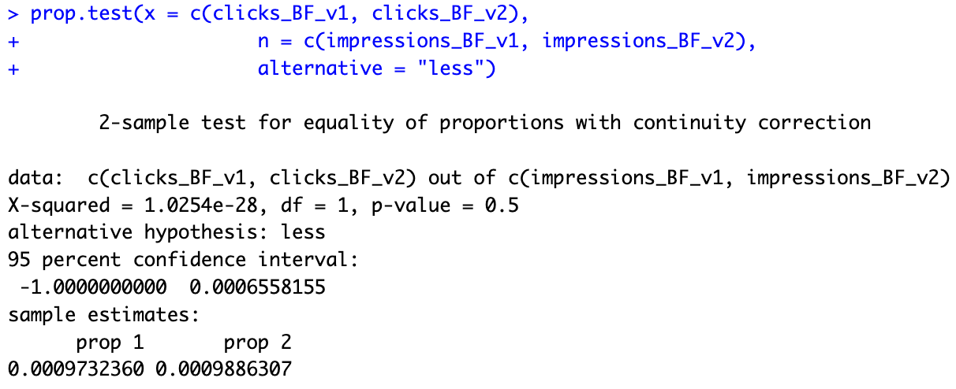
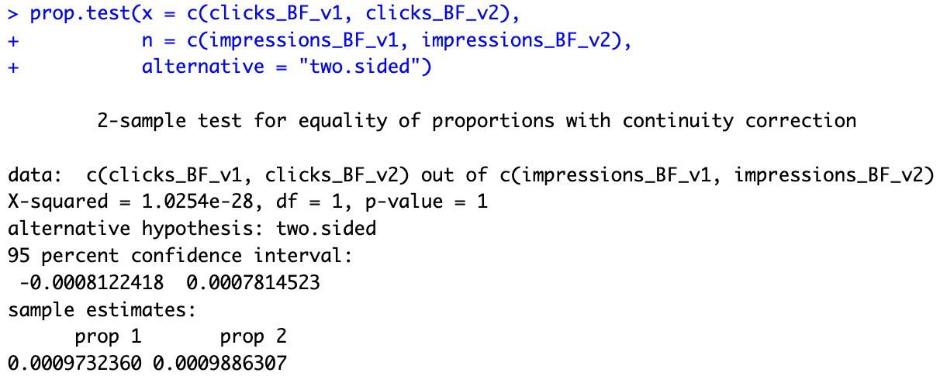

 |  | <= H0: V2 click-through not greater than V1 |  | <= H0: V1 and V2 click-through rates are the same
 |  | <= HA: V2 click-through greater than V1 |  | <= HA: V1 and V2 click-through rates are differenr

 |  | <= p-value of 0.5 does not support the alternative hypothesis, |  | <= p-value of 1 shows that we can be sure
 |  | the null hypothesis cannot be rejected at any relevant statistical |  | that the null hypothesis cannot be
 |  | significance threshold |  | rejected at any significance level

Conclusion: we can be certain that the V2 version of the BlackFriday campaign was not more successful |  |  | Conclusion: the click-through rates of both campaigns are the same

Visualisations

Figure 1: click-through rates of NewYear campaigns with accounting for standard errors
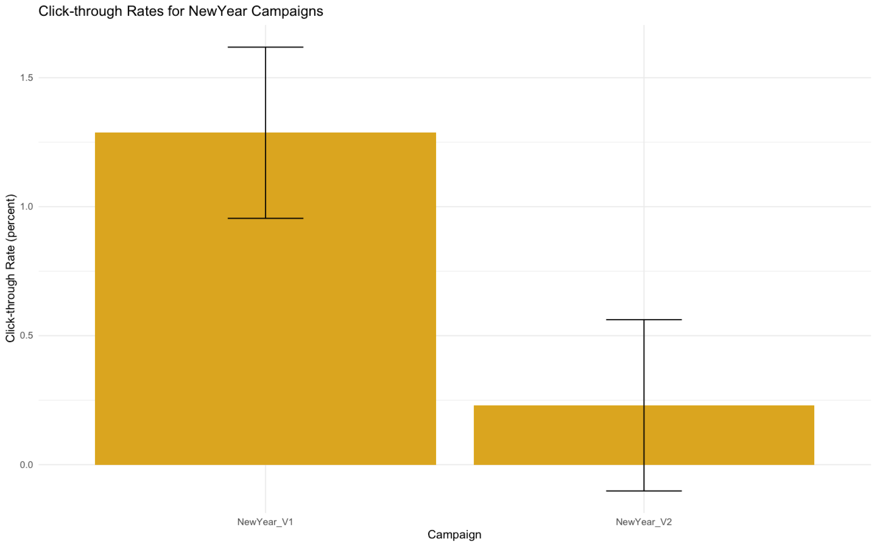

 |  | <= assuming normal distribution, there is a possibility
 |  | that population's click-trough rate of the NewYear_V2 campaign
 |  | might be zero

Figure 2: click-through rates of BlackFriday campaigns with accounting for standard errors
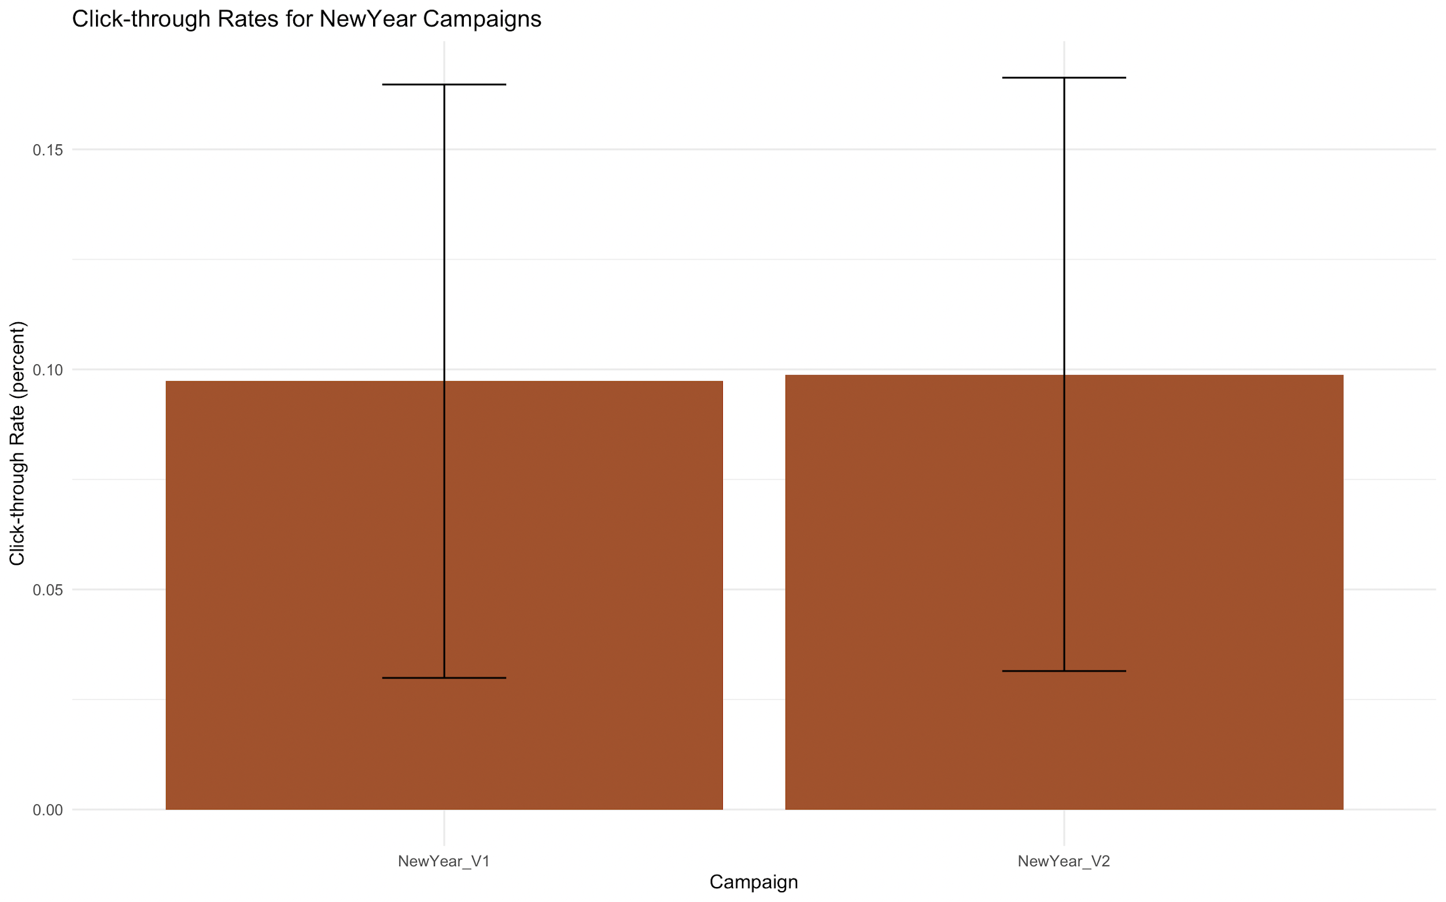

General Conclusions

If the assumptions are right, for both of the campaigns, the treated groups (V2) underperformed and failed to produce a higher click-through rate

It is unlikely that there has been a misinput, since the tendency for V2 versions to underperform is consistent in both cases

Therefore it might be wise for the company to adopt a new startegy in the creative/marketing department or reevaluate target audiences for specific ads

